OXYGEN SOLUTIONS
THANH ĐỀ MỤC

 |  |  | BANNER TRANG
 |  |  | (LÀM MỜ NỔI CHỮ)

 | OXYGEN SOLUTIONS

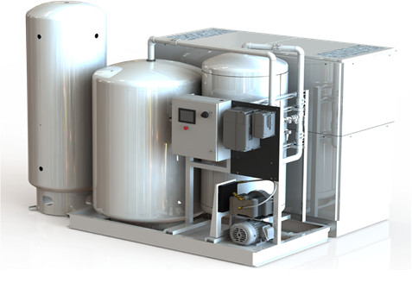

 | Single-bed Oxygen Concentrators | Dual-bed Oxygen Concentrators |  |  | Ozone Generator

 | NẾU CÓ CÁC SẢN PHẨM KHÁC

 |  |  |  | FOOTER

CASE STUDY
THANH ĐỀ MỤC

 | BANNER TRANG
 | (LÀM MỜ NỔI CHỮ)

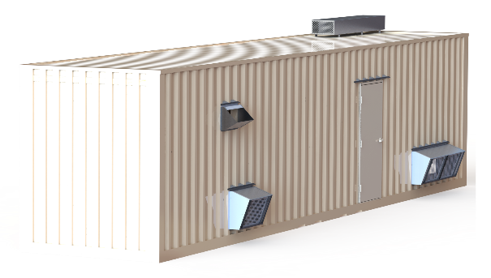 https://bench-int.com/benchmark-instrumentation-and-analytical-services/

 | FOOTER

CONTACT
THANH ĐỀ MỤC

 | Ho Chi Minh Head Office: |  | Vung Tau Office: |  |  | Ha Noi Office:
 | 16 Yen The St., Ward 2, Tan Binh Dist., HCM City, Viet Nam |  | D1-2/9, Chi Linh Urban Area, Nguyen An Ninh Ward, Vung Tau City, Viet Nam |  |  | 266, Quang Lai Street, Luu Phai, Ngu Hiep Commune, Thanh Tri District, Hanoi
 | Tel: +84 938 207 238 |  | Tel: +84 254 3513 929 |  |  | Tel: +84 938 207 238
 | Fax: +84 28 3547 2641 |  | Fax: +84 254 3513 927

CONTACT FORM
 | ICON | Fanpage: |  |  | CONTACT FORM
 |  | https://www.facebook.com/OilInWaterMonitors?mibextid=LQQJ4d
 |  |  |  |  | NAME
NAME:
 | ICON | Zalo: |  |  |  |  | PRODUCT
 |  | 0938 207 238 |  |  | EMAIL
MAIL:
 |  | 0906 783 523 |  |  |  |  | PHONE
 |  |  |  |  | CONTENT
 | ICON | Mail
CONTENT:
 |  | mmmmmm

 | ICON | Linked in
 |  | mmmmm

 |  |  |  | FOOTER

